MVP Race
Spica |  | 7 |  |  | Closer |  | 2
KDA | 4.5 (2nd JG) |  |  |  | KDA | 5.2 (1st JG) - 3rd highest among all players
First Blood Rate | 48% (2nd JG) - 3rd among all players |  |  |  | First Blood Rate | 35% (4th JG) |  |  | Spica and Closer have very similar statistics.
KS% | 28.4% (1st JG) |  |  |  | KS% | 28.2% (2nd JG) | ks % jg graph
CS PM | 6 (6th JG) |  | 1st blood rate chart |  | CS PM | 6.4 (2nd JG)
DPM | 355 (4th JG) |  | OR CSPM vs DMG |  | DPM | 319 (7th JG) |  |  |  | Stats for Teams
KP % | 72.2% (5th) |  |  |  | KP % | 72.1 (6th) |  |  |  | Advanced gold metrics - gold spend % difference, gold % rating
 |  |  |  |  |  |  |  |  |  | - run it episode 26, 37
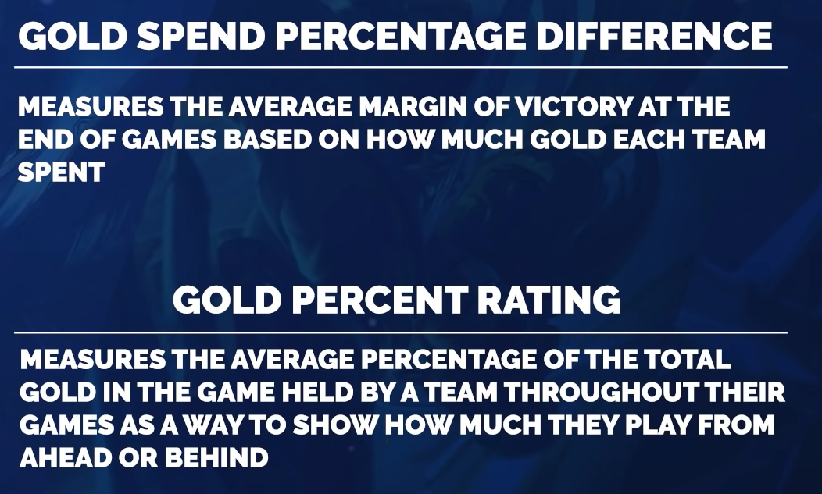
 |  |  |  |  | Fudge (Top) |  | 4
Jiizuke |  | 6 |  |  | KDA | 5.5 (1st) - 2nd highest among all players
KDA | 3.6 (6th) |  | mid gxd chart |  | GXD10 | -31 (4th)
First Blood Rate | 19% (4th) |  |  |  | DMG Share | 22.2 (8th) | rng lee sin kick
KS% | 25.8% (4th) |  |  |  | CTR% | 26% (Last) | ctr % graph
GXD10 | 271 (1st) - Very lane orientated, 5th highest among all players |  |  |  | KS% | 24.7% (1st)
DMG % | 25.8% (2nd) - 6th among all players |  |  |  | KP % | 63.1% (3rd)
KP % | 62.4 (9th)
DPM | 518 (1st)

Abbedagge |  | 1 |  |  | FBI |  | 3
KDA | 4.5 (2nd) |  |  |  | KDA | 4.6 (2nd) |  |  |  | Comparing Alphari to Jenkins
First Blood Rate | 31% (1st) | mid lane gxd10 fb% graph |  |  | First Blood Rate | 31% (3rd) | Do own graphic showing consistency |  |  | - Kill Participation
KS% | 23.3% (7th) |  |  |  | KS% | 22.7% (10th) |  |  |  | - Death Share
GXD10 | 228 (3rd) |  |  |  | GXD10 | 39 (3rd) |  |  |  | - Damage Share
DPM | 445 (6th) |  |  |  | DPM | 534 (3rd) - 3rd highest among all players
KP % | 68% (2nd) |  |  |  | KP % | 68.9% (3rd)
 |  |  |  |  | DMG% | 28.1% (3rd) |  |  |  | Santirum vs Armao
 |  |  |  |  |  |  |  |  |  | FB Rate
Impact |  | 5 |  | Maybe | Abbedagge |  |  |  |  | GXD10
KDA | 3.3 (2nd) |  |  | Maybe | Closer
First Blood Rate | 30% (3rd) |  | WHAT TO DO FOR A GRAPH? | Top 3 | FBI |  |  | Blaber |  | EGR (measuring team probably good for jg)
KS% | 23.7% (5th) |  |  | Longshot | Fudge (Top) |  |  | Looks at CSPM lol
GXD10 | 456 (1st) 2nd among all |  |  | Longshot | Impact |  |  | DMG/min, KP leads all jg |  | Zven vs K1ng
DPM | 444 (5th) |  |  | Top 3 | Jiizuke |  |  |  |  | GX10 - generating leads in lane
KP % | 65.9% (1st) |  |  | Top 3 | Spica
 |  |  |  |  |  |  |  |  |  | Adc:
 |  |  |  |  |  |  |  |  |  | CS per minute
 |  |  |  |  |  |  |  |  |  | DMG per minute
 |  |  |  |  |  |  |  |  |  | DMG Share
 |  |  |  |  |  |  |  |  |  | Kill Participation
 |  |  |  |  |  |  |  |  |  | Death Share

https://www.youtube.com/watch?v=0xOngzeGh-0&ab_channel=TravisGafford |  |  |  |  |  |  |  | Define MVP
 |  |  |  |  |  |  |  | https://lzylstra.medium.com/nba-the-four-different-definitions-of-mvp-and-the-obvious-solution-68a86eb15ca4
Define MVP (Probably based off of NBA)

Top Lane (Alphari Example) - GXD10 (Gold + XP Diff) and Dmg Share |  |  |  |  |  |  |  | https://assets.contentstack.io/v3/assets/bltad9188aa9a70543a/blt1b26219b5c91e7f0/610c9848be3cec3a86c129c3/2021_Summer_Awards_Voting_Results_All-Pro.pdf

JG (Blaber) - First Blood Rate, CS PM, DPM, KDA, KP
= active play and made big plays around the map

Support (CoreJJ) - KDP, GXD10, Winrate on Support Champs

Bot (FBI) - GXD10 and Dmg Share

Top Pt 2 (Impact) - Kill Participation among all players (Plays weakside)

Fudge is often not prioritized in pick and ban

